CHI
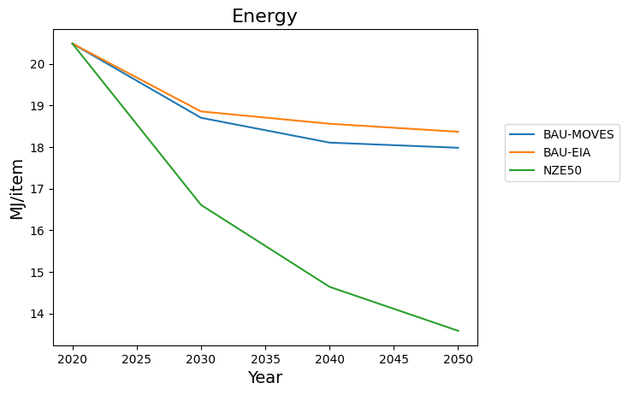
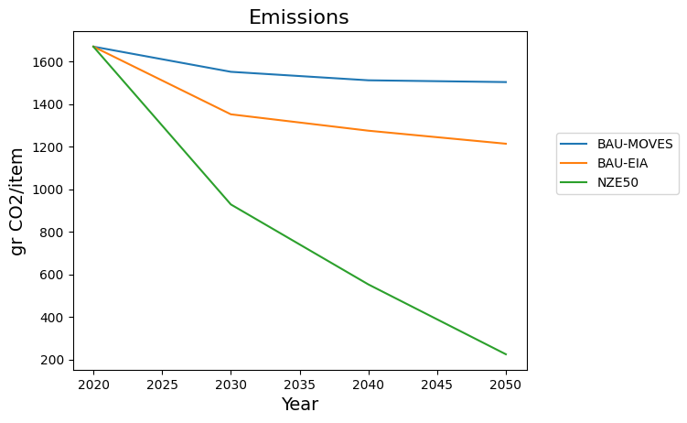
Retail
 | BAU-MOVES | BAU-EIA | NZE50 |  | BAU-MOVES | BAU-EIA | NZE50
Year |  |  |  | Year
2020 | 21.16 | 21.16 | 21.16 | 2020 | 1,681.55 | 1,681.55 | 1,681.55
2030 | 19.3 | 19.42 | 17.14 | 2030 | 1,557.11 | 1,346.56 | 922.04
2040 | 18.69 | 19.12 | 15.16 | 2040 | 1,516.56 | 1,269.73 | 557.15
2050 | 18.56 | 18.94 | 14.09 | 2050 | 1,507.98 | 1,209.06 | 228.08
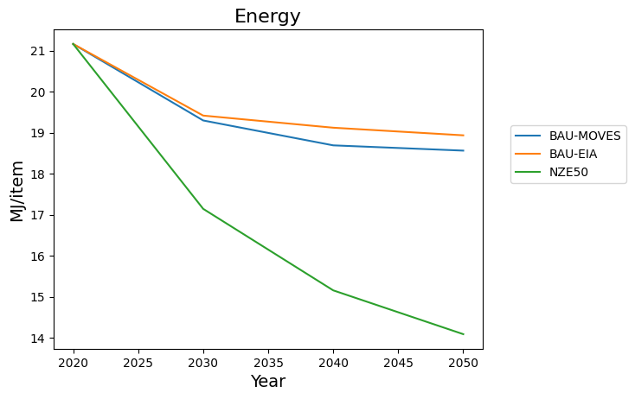
 | 2.6 | 2.22 | 7.07 |  | 173.57 | 472.49 | 1453.47
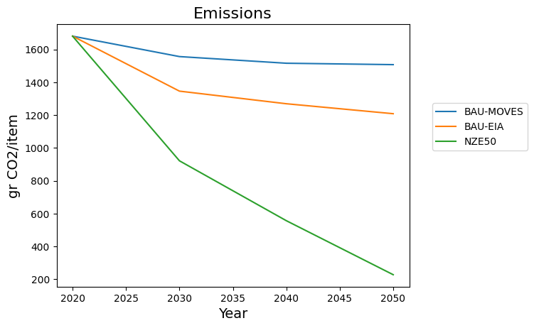
 | 0.12287334594 | 0.10491493384 | 0.33412098299 |  | 0.10322024323 | 0.28098480569 | 0.8643632363

Etail
 | BAU-MOVES | BAU-EIA | NZE50 |  | BAU-MOVES | BAU-EIA | NZE50
Year |  |  |  | Year
2020 | 39.12 | 39.12 | 39.12 | 2020 | 2,934.73 | 2,934.47 | 2,934.73
2030 | 35.71 | 35.83 | 27.12 | 2030 | 2,701.30 | 2,585.52 | 1,725.87
2040 | 34.13 | 35.45 | 20.99 | 2040 | 2,592.92 | 2,513.61 | 884.71
2050 | 33.9 | 34.87 | 17.96 | 2050 | 2,577.39 | 2,435.66 | 380.04
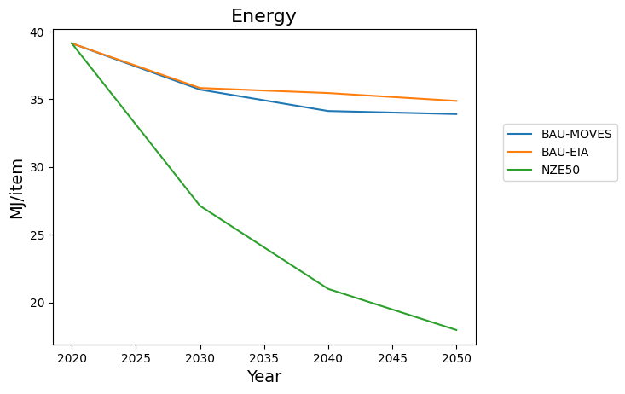
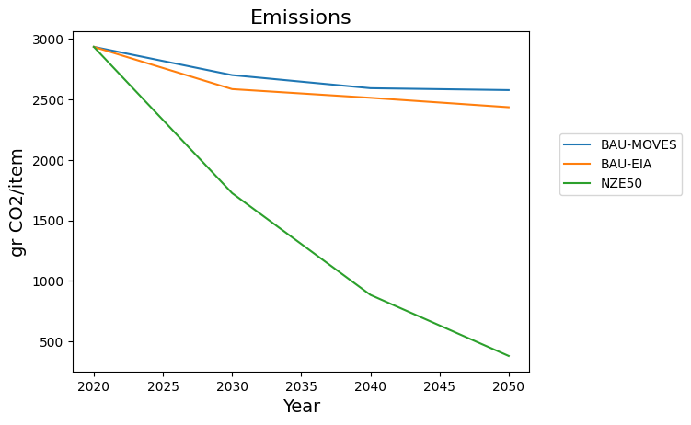

Eetail
 | BAU-MOVES | BAU-EIA | NZE50 |  | BAU-MOVES | BAU-EIA | NZE50
Year |  |  |  | Year
2020 | 20.98 | 20.98 | 20.98 | 2020 | 1,521.39 | 1,521.13 | 1,521.39
2030 | 19.79 | 19.68 | 16.91 | 2030 | 1,440.34 | 1,352.36 | 953.48
2040 | 19.28 | 19.07 | 14.65 | 2040 | 1,405.58 | 1,286.14 | 500.81
2050 | 19.19 | 18.55 | 13.33 | 2050 | 1,399.40 | 1,226.83 | 211.25
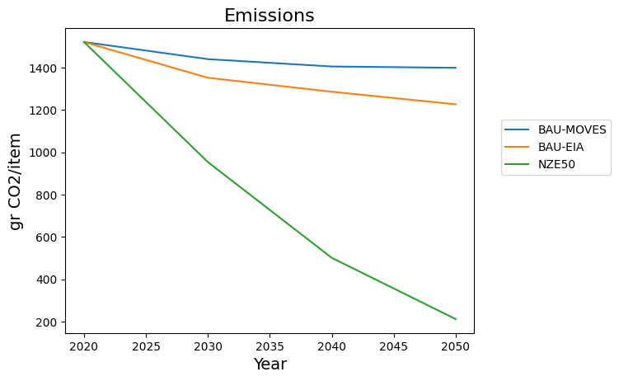
 | 1.79 | 2.43 | 7.65 |  | 121.99 | 294.3 | 1310.14
 | 0.085319351764 | 0.11582459485 | 0.36463298379 |  | 0.080183253472 | 0.19347458797 | 0.86114671452
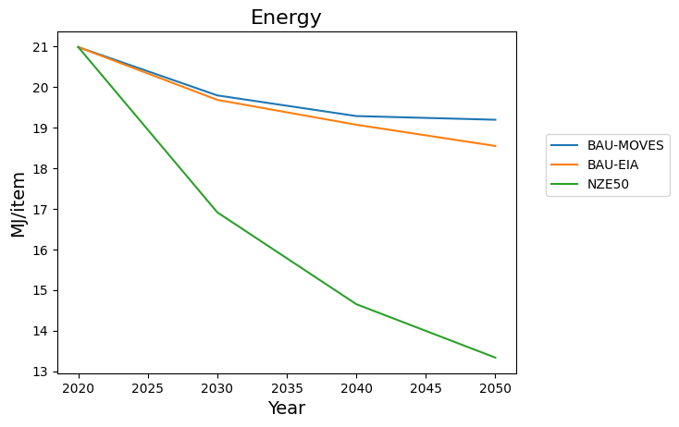

Omni
 | BAU-MOVES | BAU-EIA | NZE50 |  | BAU-MOVES | BAU-EIA | NZE50
Year |  |  |  | Year
2020 | 20.49 | 20.49 | 20.49 | 2020 | 1,669.43 | 1,669.40 | 1,669.43
2030 | 18.7 | 18.85 | 16.61 | 2030 | 1,551.13 | 1,351.41 | 927.92
2040 | 18.1 | 18.56 | 14.64 | 2040 | 1,511.24 | 1,274.46 | 552.21
2050 | 17.98 | 18.37 | 13.58 | 2050 | 1,502.87 | 1,213.28 | 224.07

DC
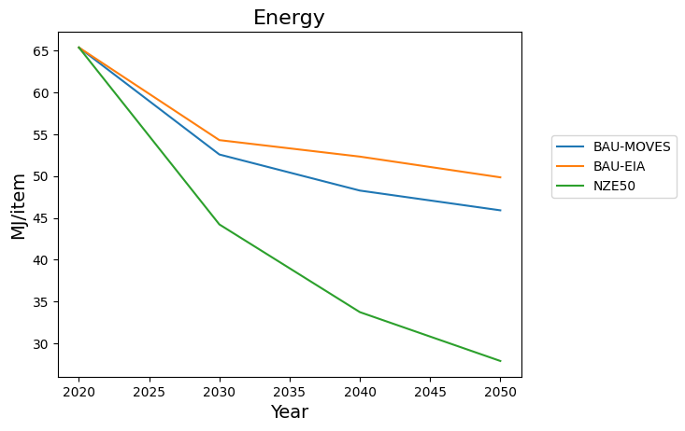
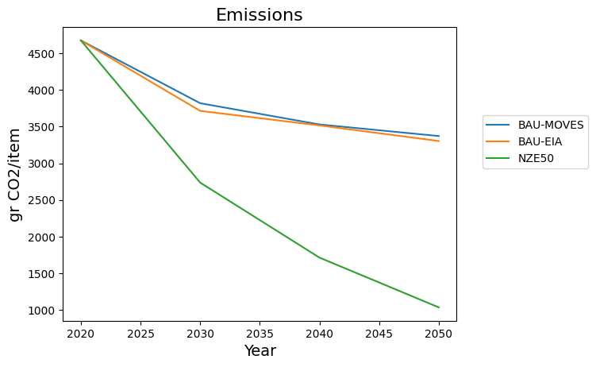
Retail
 | BAU-MOVES | BAU-EIA | NZE50 |  | BAU-MOVES | BAU-EIA | NZE50
Year |  |  |  | Year
2020 | 70.16 | 70.16 | 70.16 | 2020 | 4,959.14 | 4,959.14 | 4,959.14
2030 | 55.88 | 57.65 | 46.84 | 2030 | 4,004.78 | 3,895.29 | 2,877.60
2040 | 51.27 | 55.6 | 35.66 | 2040 | 3,695.40 | 3,692.85 | 1,828.10
2050 | 48.72 | 52.95 | 29.47 | 2050 | 3,525.13 | 3,469.87 | 1,130.61
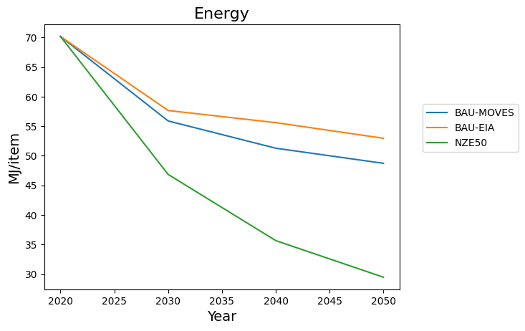
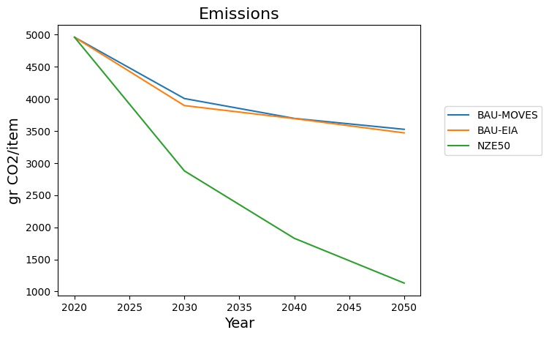

Etail
 | BAU-MOVES | BAU-EIA | NZE50 |  | BAU-MOVES | BAU-EIA | NZE50
Year |  |  |  | Year
2020 | 57.7 | 57.7 | 57.7 | 2020 | 4,195.59 | 4,193.96 | 4,195.59
2030 | 50.86 | 51.76 | 39.63 | 2030 | 3,729.02 | 3,650.18 | 2,470.27
2040 | 47.42 | 50.16 | 29.63 | 2040 | 3,494.52 | 3,480.43 | 1,231.31
2050 | 46.58 | 48.86 | 24.48 | 2050 | 3,437.94 | 3,353.19 | 519.42

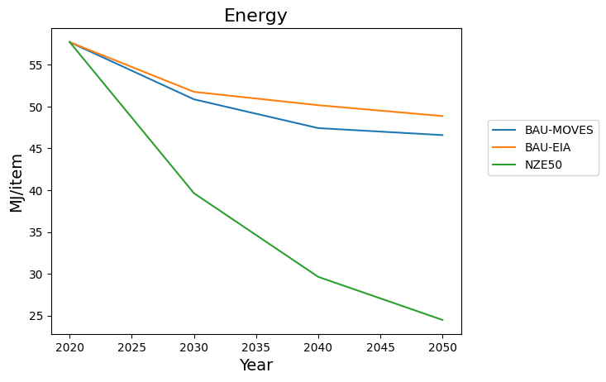
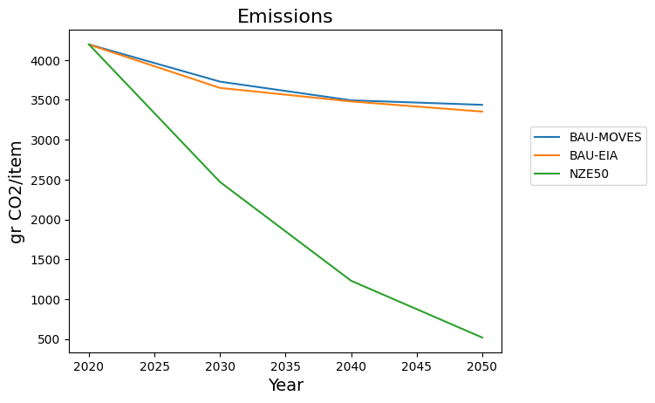

Eetail
 | BAU-MOVES | BAU-EIA | NZE50 |  | BAU-MOVES | BAU-EIA | NZE50
Year |  |  |  | Year
2020 | 39.85 | 39.85 | 39.85 | 2020 | 2,800.62 | 2,798.92 | 2,800.62
2030 | 34.15 | 35.15 | 29.63 | 2030 | 2,414.44 | 2,386.43 | 1,714.25
2040 | 31.59 | 32.91 | 23.53 | 2040 | 2,240.10 | 2,194.78 | 859.71
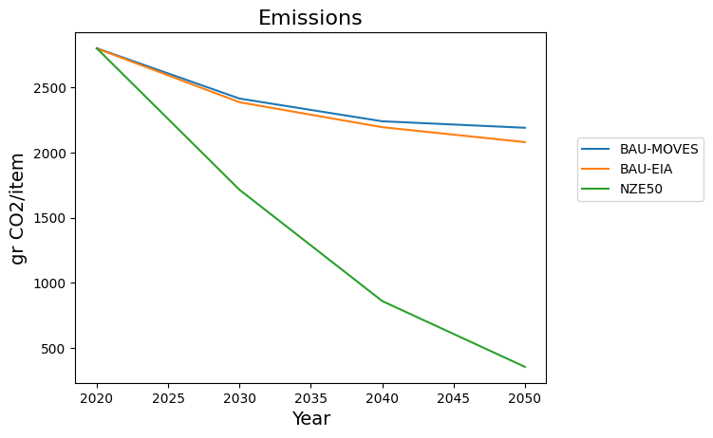
2050 | 30.85 | 31.58 | 19.91 | 2050 | 2,190.26 | 2,080.21 | 354.58
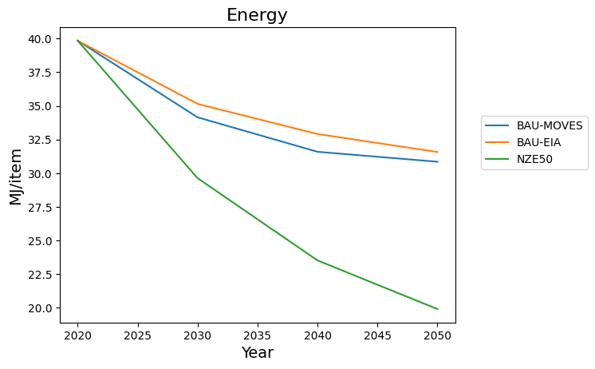

Omni
 | BAU-MOVES | BAU-EIA | NZE50 |  | BAU-MOVES | BAU-EIA | NZE50
Year |  |  |  | Year
2020 | 65.37 | 65.37 | 65.37 | 2020 | 4,674.11 | 4,673.89 | 4,674.11
2030 | 52.58 | 54.3 | 44.21 | 2030 | 3,818.81 | 3,714.42 | 2,736.72
2040 | 48.26 | 52.32 | 33.72 | 2040 | 3,529.06 | 3,516.06 | 1,714.46
2050 | 45.9 | 49.84 | 27.88 | 2050 | 3,371.38 | 3,303.64 | 1,036.45

LA
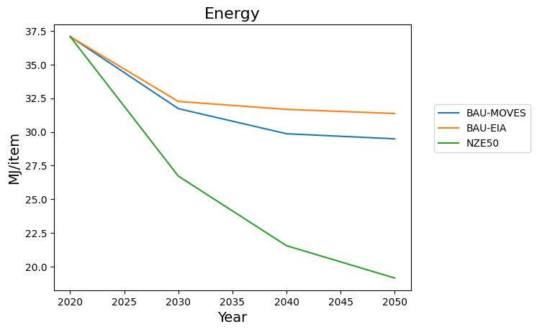
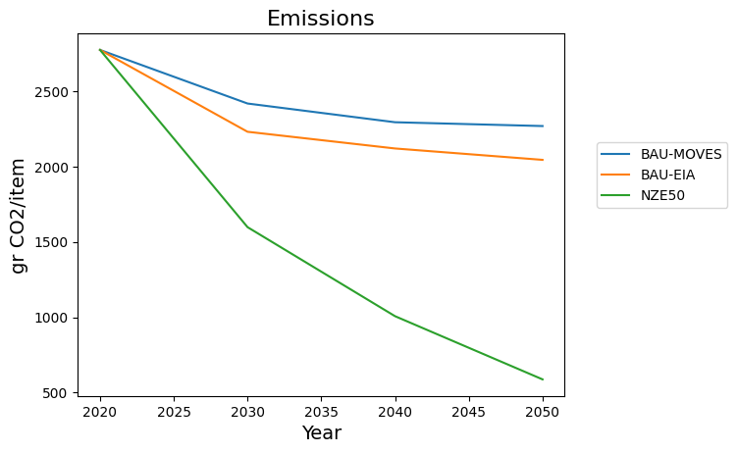
Retail
 | BAU-MOVES | BAU-EIA | NZE50 |  | BAU-MOVES | BAU-EIA | NZE50
Year |  |  |  | Year
2020 | 39.76 | 39.76 | 39.76 | 2020 | 2,919.22 | 2,919.22 | 2,919.22
2030 | 33.72 | 34.26 | 28.33 | 2030 | 2,516.54 | 2,321.44 | 1,666.81
2040 | 31.69 | 33.62 | 22.8 | 2040 | 2,381.41 | 2,207.89 | 1,065.89
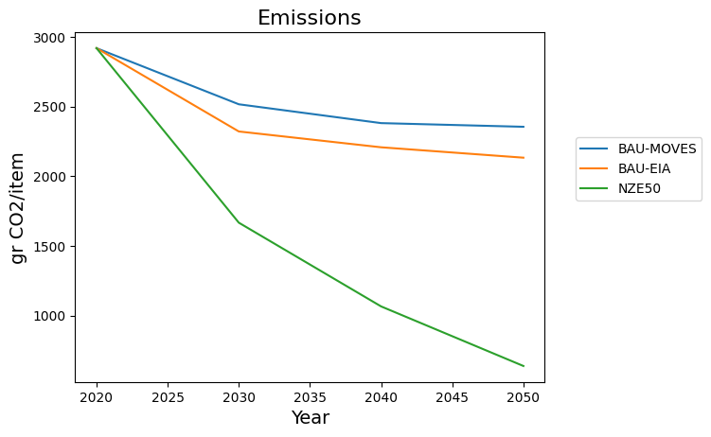
2050 | 31.29 | 33.32 | 20.25 | 2050 | 2,355.04 | 2,133.33 | 638.42
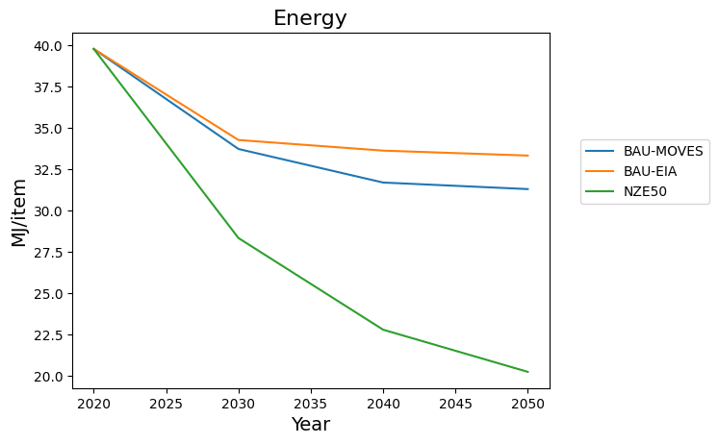
 | 8.47 | 6.44 | 19.51 |  | 564.18 | 785.89 | 2280.8
 | 0.21302816901 | 0.16197183099 | 0.49069416499 |  | 0.19326395407 | 0.26921232384 | 0.78130459506

Etail
 | BAU-MOVES | BAU-EIA | NZE50 |  | BAU-MOVES | BAU-EIA | NZE50
Year |  |  |  | Year
2020 | 42.21 | 42.21 | 42.21 | 2020 | 3,139.57 | 3,138.66 | 3,139.57
2030 | 38.05 | 38.25 | 28.96 | 2030 | 2,856.71 | 2,729.28 | 1,821.97
2040 | 36.31 | 37.9 | 22.29 | 2040 | 2,737.89 | 2,640.18 | 923.88
2050 | 35.99 | 37.25 | 18.99 | 2050 | 2,716.17 | 2,548.71 | 387.86
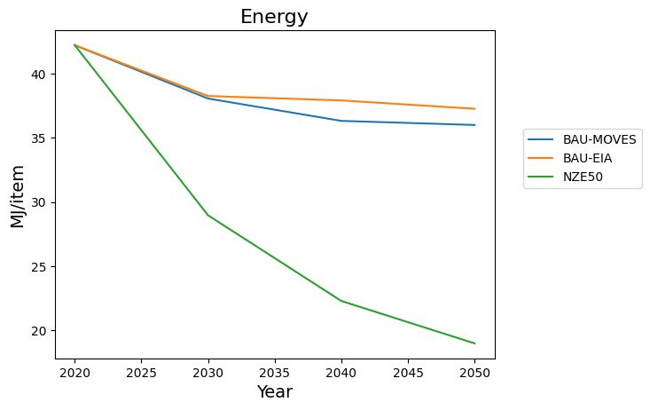
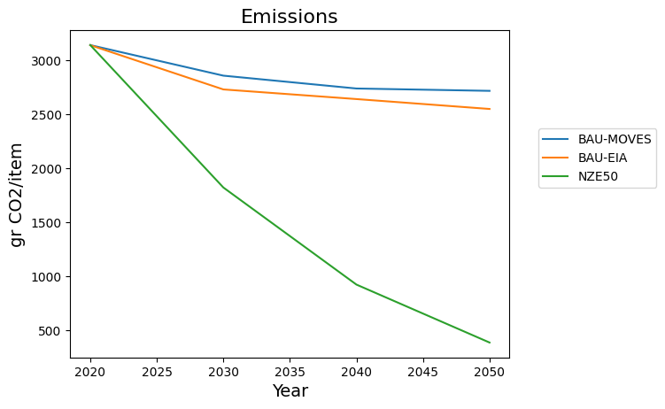

Eetail
 | BAU-MOVES | BAU-EIA | NZE50 |  | BAU-MOVES | BAU-EIA | NZE50
Year |  |  |  | Year
2020 | 24.28 | 24.28 | 24.28 | 2020 | 1,740.70 | 1,739.78 | 1,740.70
2030 | 22.34 | 22.31 | 18.89 | 2030 | 1,609.99 | 1,510.14 | 1,058.24
2040 | 21.57 | 21.62 | 15.99 | 2040 | 1,557.55 | 1,419.89 | 542.12
2050 | 21.44 | 21.09 | 14.42 | 2050 | 1,548.62 | 1,350.75 | 220.69
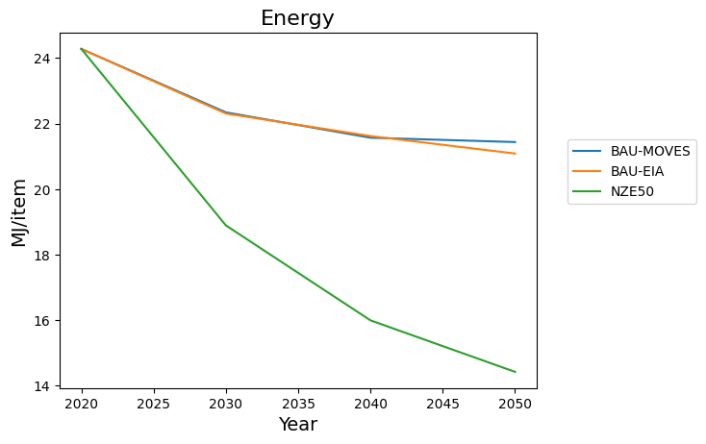
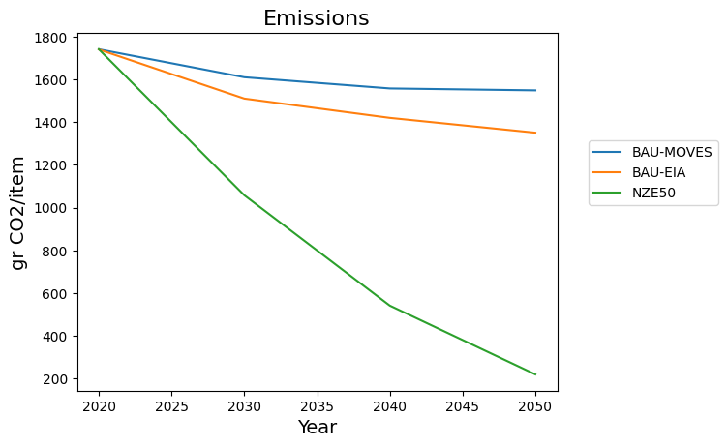
 | 2.84 | 3.19 | 9.86 |  | 192.08 | 389.03 | 1520.01
 | 0.11696869852 | 0.13138385502 | 0.40609555189 |  | 0.11034641236 | 0.22360873214 | 0.87321767105

Omni
 | BAU-MOVES | BAU-EIA | NZE50 |  | BAU-MOVES | BAU-EIA | NZE50
Year |  |  |  | Year
2020 | 37.08 | 37.08 | 37.08 | 2020 | 2,773.39 | 2,773.27 | 2,773.39
2030 | 31.73 | 32.26 | 26.72 | 2030 | 2,417.88 | 2,230.41 | 1,597.59
2040 | 29.86 | 31.67 | 21.55 | 2040 | 2,293.65 | 2,119.60 | 1,006.90
2050 | 29.49 | 31.37 | 19.15 | 2050 | 2,268.42 | 2,044.08 | 587.59

NYC
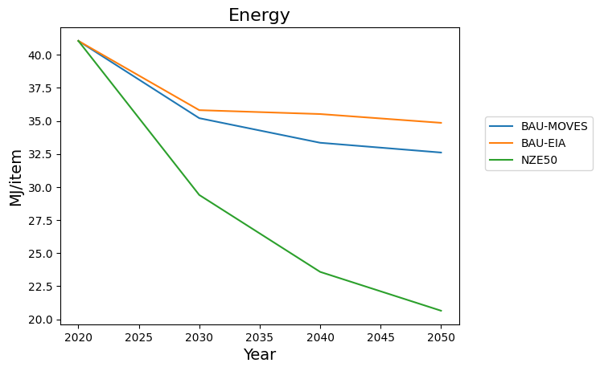
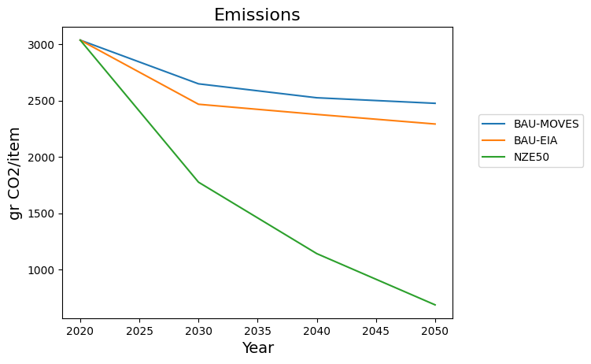
Retail
 | BAU-MOVES | BAU-EIA | NZE50 |  | BAU-MOVES | BAU-EIA | NZE50
Year |  |  |  | Year
2020 | 44.21 | 44.21 | 44.21 | 2020 | 3,214.93 | 3,214.93 | 3,214.93
2030 | 37.56 | 38.18 | 31.29 | 2030 | 2,772.14 | 2,583.40 | 1,863.69
2040 | 35.53 | 37.86 | 25.04 | 2040 | 2,636.93 | 2,492.08 | 1,214.57
2050 | 34.74 | 37.17 | 21.9 | 2050 | 2,584.33 | 2,405.45 | 747.92
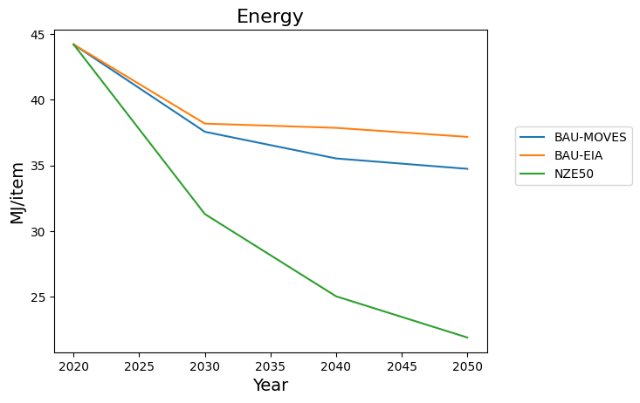
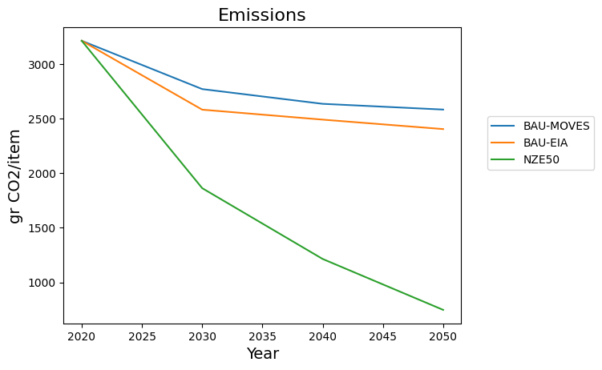

Etail
 | BAU-MOVES | BAU-EIA | NZE50 |  | BAU-MOVES | BAU-EIA | NZE50
Year |  |  |  | Year
2020 | 43.28 | 43.28 | 43.28 | 2020 | 3,211.29 | 3,210.22 | 3,211.29
2030 | 38.85 | 39.05 | 29.56 | 2030 | 2,909.81 | 2,783.96 | 1,855.05
2040 | 37.12 | 38.79 | 22.75 | 2040 | 2,792.28 | 2,700.75 | 939.44

2050 | 36.73 | 38.07 | 19.33 | 2050 | 2,765.30 | 2,619.72 | 392.1


E etail
 | BAU-MOVES | BAU-EIA | NZE50 |  | BAU-MOVES | BAU-EIA | NZE50
Year |  |  |  | Year
2020 | 25.15 | 25.15 | 25.15 | 2020 | 1,798.44 | 1,797.37 | 1,798.44
2030 | 23.1 | 23.08 | 19.48 | 2030 | 1,660.30 | 1,562.27 | 1,089.81
2040 | 22.33 | 22.45 | 16.44 | 2040 | 1,608.01 | 1,476.45 | 556.54
2050 | 22.11 | 21.84 | 14.75 | 2050 | 1,593.68 | 1,417.60 | 224.23
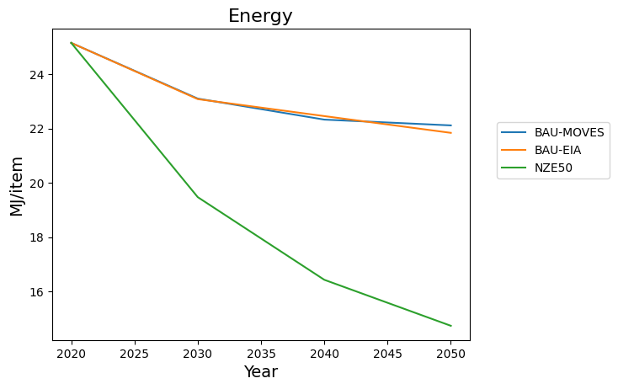
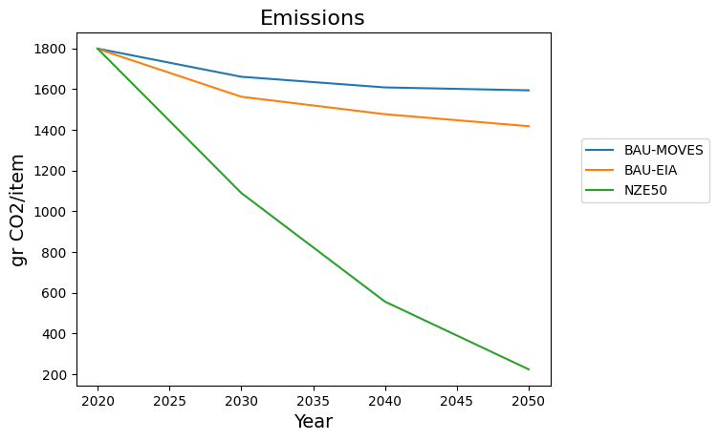

Omni
 | BAU-MOVES | BAU-EIA | NZE50 |  | BAU-MOVES | BAU-EIA | NZE50
Year |  |  |  | Year
2020 | 41.05 | 41.05 | 41.05 | 2020 | 3,037.82 | 3,037.68 | 3,037.82
2030 | 35.21 | 35.81 | 29.4 | 2030 | 2,649.38 | 2,467.74 | 1,775.07
2040 | 33.35 | 35.52 | 23.58 | 2040 | 2,525.46 | 2,377.47 | 1,140.06
2050 | 32.61 | 34.85 | 20.65 | 2050 | 2,476.19 | 2,292.22 | 684.71

SF
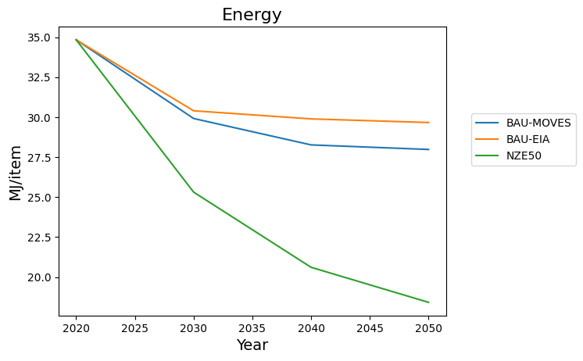

Retail
 | BAU-MOVES | BAU-EIA | NZE50 |  | BAU-MOVES | BAU-EIA | NZE50
Year |  |  |  | Year
2020 | 37.25 | 37.25 | 37.25 | 2020 | 2,752.03 | 2,752.03 | 2,752.03
2030 | 31.71 | 32.2 | 26.78 | 2030 | 2,383.27 | 2,184.29 | 1,563.37
2040 | 29.92 | 31.65 | 21.76 | 2040 | 2,263.67 | 2,076.63 | 996.67
2050 | 29.63 | 31.44 | 19.44 | 2050 | 2,244.41 | 2,008.40 | 584.9

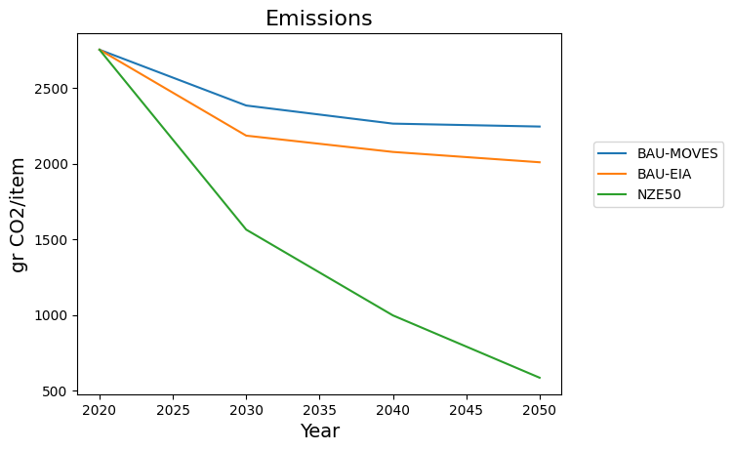

Etail
 | BAU-MOVES | BAU-EIA | NZE50 |  | BAU-MOVES | BAU-EIA | NZE50
Year |  |  |  | Year
2020 | 42.48 | 42.48 | 42.48 | 2020 | 3,159.30 | 3,158.47 | 3,159.30
2030 | 37.92 | 38.11 | 28.84 | 2030 | 2,848.41 | 2,720.62 | 1,816.99
2040 | 36.1 | 37.66 | 22.15 | 2040 | 2,723.79 | 2,624.84 | 920.41
2050 | 35.76 | 36.99 | 18.87 | 2050 | 2,701.20 | 2,532.37 | 387.42


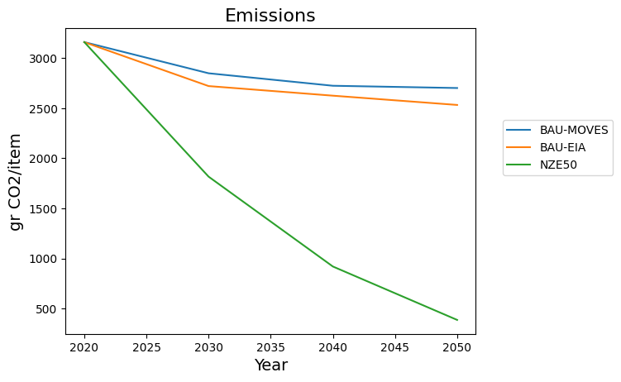

Eetail
 | BAU-MOVES | BAU-EIA | NZE50 |  | BAU-MOVES | BAU-EIA | NZE50
Year |  |  |  | Year
2020 | 23.83 | 23.83 | 23.83 | 2020 | 1,710.74 | 1,709.91 | 1,710.74
2030 | 21.95 | 21.91 | 18.59 | 2030 | 1,583.95 | 1,483.67 | 1,042.05
2040 | 21.26 | 21.28 | 15.81 | 2040 | 1,537.05 | 1,397.69 | 536.51
2050 | 21.1 | 20.7 | 14.26 | 2050 | 1,525.79 | 1,326.01 | 218.87
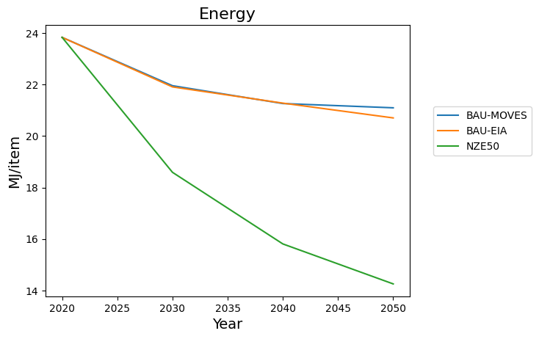
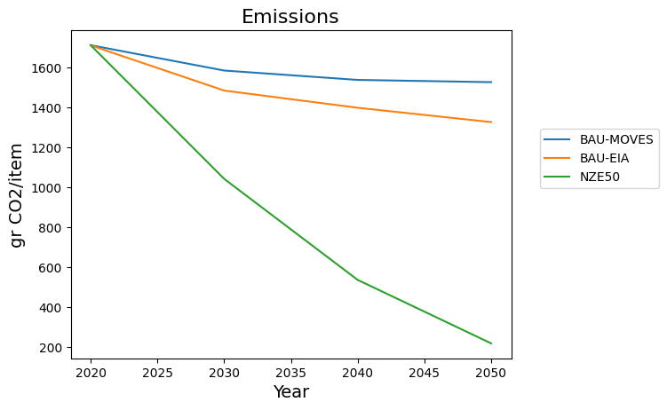

Omni
 | BAU-MOVES | BAU-EIA | NZE50 |  | BAU-MOVES | BAU-EIA | NZE50
Year |  |  |  | Year
2020 | 34.84 | 34.84 | 34.84 | 2020 | 2,624.23 | 2,624.12 | 2,624.23
2030 | 29.91 | 30.4 | 25.31 | 2030 | 2,297.17 | 2,106.23 | 1,504.38
2040 | 28.26 | 29.89 | 20.61 | 2040 | 2,187.16 | 2,000.96 | 945.04
2050 | 27.98 | 29.66 | 18.42 | 2050 | 2,168.02 | 1,930.82 | 540.1

Comparison-Channels
Energy
Year | Retail | Etail | EEtail | Omni | CHI | Year | Retail | Etail | EEtail | Omni | DC | Year | Retail | Etail | EEtail | Omni | LA | Year | Retail | Etail | EEtail | Omni | NYC | Year | Retail | Etail | EEtail | Omni | SF
2020 | 21.162126117 | 39.118210081 | 20.98263171 | 20.485627756 |  | 2020 | 70.15790325 | 57.704912388 | 39.845307627 | 65.371507978 |  | 2020 | 39.762258226 | 42.205273211 | 24.281029535 | 37.076556827 |  | 2020 | 44.205043832 | 43.277121165 | 25.146798106 | 41.049279487 |  | 2020 | 37.249882922 | 42.479168774 | 23.830607215 | 34.835015677
2030 | 19.297850562 | 35.708395124 | 19.792422265 | 18.701741939 |  | 2030 | 55.883611324 | 50.861393071 | 34.151967932 | 52.576419435 |  | 2030 | 33.716544857 | 38.051683851 | 22.344288044 | 31.727844545 |  | 2030 | 37.556837465 | 38.845437272 | 23.098366833 | 35.205832261 |  | 2030 | 31.713838811 | 37.920409226 | 21.953818251 | 29.914054735
2040 | 18.691420781 | 34.126597005 | 19.283232536 | 18.104597513 |  | 2040 | 51.273738932 | 47.42037415 | 31.593549449 | 48.261728106 |  | 2040 | 31.688676117 | 36.311233815 | 21.569537718 | 29.863291011 |  | 2040 | 35.527758485 | 37.124699677 | 22.325799086 | 33.345961554 |  | 2040 | 29.919307897 | 36.095923667 | 21.261032318 | 28.262958286
2050 | 18.562986725 | 33.899802794 | 19.192635425 | 17.980836379 |  | 2050 | 48.721425932 | 46.584571751 | 30.85433059 | 45.900129553 |  | 2050 | 31.29286364 | 35.992178364 | 21.437373862 | 29.486072533 |  | 2050 | 34.738017407 | 36.726580036 | 22.112856804 | 32.607702631 |  | 2050 | 29.630480055 | 35.764672414 | 21.095569037 | 27.977490891

Retail |  |  |  |  |  | Etail |  |  |  |  |  | Eetail |  |  |  |  |  | Omni
Year | CHI | DC | LA | NYC | SF | Year | CHI | DC | LA | NYC | SF | Year | CHI | DC | LA | NYC | SF | Year | CHI | DC | LA | NYC | SF
2020 | 21.162126117 | 70.15790325 | 39.762258226 | 44.205043832 | 37.249882922 | 2020 | 39.118210081 | 57.704912388 | 42.205273211 | 43.277121165 | 42.479168774 | 2020 | 20.98263171 | 39.845307627 | 24.281029535 | 25.146798106 | 23.830607215 | 2020 | 20.485627756 | 65.371507978 | 37.076556827 | 41.049279487 | 34.835015677
2030 | 19.297850562 | 55.883611324 | 33.716544857 | 37.556837465 | 31.713838811 | 2030 | 35.708395124 | 50.861393071 | 38.051683851 | 38.845437272 | 37.920409226 | 2030 | 19.792422265 | 34.151967932 | 22.344288044 | 23.098366833 | 21.953818251 | 2030 | 18.701741939 | 52.576419435 | 31.727844545 | 35.205832261 | 29.914054735
2040 | 18.691420781 | 51.273738932 | 31.688676117 | 35.527758485 | 29.919307897 | 2040 | 34.126597005 | 47.42037415 | 36.311233815 | 37.124699677 | 36.095923667 | 2040 | 19.283232536 | 31.593549449 | 21.569537718 | 22.325799086 | 21.261032318 | 2040 | 18.104597513 | 48.261728106 | 29.863291011 | 33.345961554 | 28.262958286
2050 | 18.562986725 | 48.721425932 | 31.29286364 | 34.738017407 | 29.630480055 | 2050 | 33.899802794 | 46.584571751 | 35.992178364 | 36.726580036 | 35.764672414 | 2050 | 19.192635425 | 30.85433059 | 21.437373862 | 22.112856804 | 21.095569037 | 2050 | 17.980836379 | 45.900129553 | 29.486072533 | 32.607702631 | 27.977490891

Emissions
Retail |  |  |  |  |  | Etail |  |  |  |  |  | Eetail |  |  |  |  |  | Omni
Year | CHI | DC | LA | NYC | SF | Year | CHI | DC | LA | NYC | SF | Year | CHI | DC | LA | NYC | SF | Year | CHI | DC | LA | NYC | SF
2020 | 1681.5530069 | 4959.1381455 | 2919.218191 | 3214.9266138 | 2752.034022 | 2020 | 2934.7338705 | 4195.5946723 | 3139.5682421 | 3211.2949066 | 3159.2955628 | 2020 | 1521.3936074 | 2800.6160912 | 1740.6957578 | 1798.4414974 | 1710.7361119 | 2020 | 1669.4336525 | 4674.1086218 | 2773.3876021 | 3037.8241124 | 2624.227809
2030 | 1557.1122762 | 4004.7811059 | 2516.5434635 | 2772.1446362 | 2383.2748608 | 2030 | 2701.3015131 | 3729.022229 | 2856.7119629 | 2909.8057765 | 2848.4087803 | 2030 | 1440.3355399 | 2414.4392656 | 1609.9921182 | 1660.2983497 | 1583.9533057 | 2030 | 1551.1321555 | 3818.8131602 | 2417.8760289 | 2649.3763935 | 2297.1716406
2040 | 1516.5625929 | 3695.4010081 | 2381.4136864 | 2636.9260949 | 2263.672378 | 2040 | 2592.9201816 | 3494.5179308 | 2737.8875911 | 2792.2828182 | 2723.7944923 | 2040 | 1405.5790831 | 2240.1043205 | 1557.5507372 | 1608.0057533 | 1537.0491726 | 2040 | 1511.2359232 | 3529.0602754 | 2293.6517046 | 2525.4569839 | 2187.1622327
2050 | 1507.9767622 | 3525.1336957 | 2355.0368391 | 2584.3342242 | 2244.4147447 | 2050 | 2577.393681 | 3437.9431605 | 2716.1650342 | 2765.3015352 | 2701.199851 | 2050 | 1399.4020839 | 2190.2586505 | 1548.6227711 | 1593.6829885 | 1525.7946033 | 2050 | 1502.8686014 | 3371.3843607 | 2268.4177284 | 2476.1943227 | 2168.0196949

Comparison-Population
 | Year | MM | MH | HM | HH | CHI |  | Year | MM | MH | HM | HH | DC |  | Year | MM | MH | HM | HH | LA |  | Year | MM | MH | HM | HH | NYC |  | Year | MM | MH | HM | HH | SF
Retail | 2020 | 21.162126117 | 21.165852969 | 21.167933384 | 21.09829368 |  | Retail | 2020 | 70.15790325 | 71.10022509 | 70.598375703 | 70.860349929 |  | Retail | 2020 | 39.762258226 | 39.726346326 | 44.6892072 | 39.700941593 |  | Retail | 2020 | 44.205043832 | 44.890512463 | 44.6892072 | 44.516301166 |  | Retail | 2020 | 37.249882922 | 37.191000703 | 37.207443711 | 37.17971583
 | 2030 | 19.297850562 | 19.29482465 | 19.279640562 | 19.286976742 |  |  | 2030 | 55.883611324 | 56.590518756 | 56.288640146 | 57.030636642 |  |  | 2030 | 33.716544857 | 33.654042382 | 37.693824937 | 33.722020875 |  |  | 2030 | 37.556837465 | 37.13629959 | 37.693824937 | 37.948641932 |  |  | 2030 | 31.713838811 | 31.679992525 | 31.628328017 | 31.597450969
 | 2040 | 18.691420781 | 18.668848954 | 18.677731935 | 18.668730937 |  |  | 2040 | 51.273738932 | 52.956373367 | 51.76762928 | 52.18814881 |  |  | 2040 | 31.688676117 | 31.66433653 | 35.331065159 | 31.779327115 |  |  | 2040 | 35.527758485 | 35.354638575 | 35.331065159 | 35.228257359 |  |  | 2040 | 29.919307897 | 29.86931118 | 29.913123609 | 29.875860847
 | 2050 | 18.562986725 | 18.552188962 | 18.548807689 | 18.558629347 |  |  | 2050 | 48.721425932 | 54.318719199 | 51.763373086 | 51.303692561 |  |  | 2050 | 31.29286364 | 31.363362999 | 34.944086961 | 31.453952854 |  |  | 2050 | 34.738017407 | 34.843929015 | 34.944086961 | 34.703065407 |  |  | 2050 | 29.630480055 | 29.631412778 | 29.591401891 | 29.566485256
Etail | 2020 | 39.118210081 | 39.150370602 | 39.18392261 | 39.106935732 |  | Etail | 2020 | 57.704912388 | 58.007492836 | 57.938011603 | 57.741588044 |  | Etail | 2020 | 42.205273211 | 42.230395502 | 42.281198663 | 42.297239214 |  | Etail | 2020 | 43.277121165 | 43.40182724 | 43.225637097 | 43.257130961 |  | Etail | 2020 | 42.479168774 | 41.668280165 | 41.761756157 | 41.840773453
 | 2030 | 35.708395124 | 35.660863922 | 35.675064275 | 35.663888475 |  |  | 2030 | 50.861393071 | 50.654490839 | 50.437602719 | 50.581681569 |  |  | 2030 | 38.051683851 | 38.137120207 | 38.075264212 | 38.080268082 |  |  | 2030 | 38.845437272 | 38.924739542 | 38.971288003 | 38.881093058 |  |  | 2030 | 37.920409226 | 37.920186993 | 37.408803019 | 37.583988548
 | 2040 | 34.126597005 | 34.121397788 | 34.136349975 | 34.142520705 |  |  | 2040 | 47.42037415 | 47.237229941 | 47.35087702 | 47.491140073 |  |  | 2040 | 36.311233815 | 36.237485641 | 36.29350273 | 36.338148205 |  |  | 2040 | 37.124699677 | 37.09263611 | 37.056694215 | 37.063366627 |  |  | 2040 | 36.095923667 | 35.836938987 | 35.758913877 | 35.832189512
 | 2050 | 33.899802794 | 33.789132178 | 33.872426833 | 33.902437434 |  |  | 2050 | 46.584571751 | 46.879166346 | 46.6097135 | 46.838571862 |  |  | 2050 | 35.992178364 | 35.975979669 | 36.005329492 | 35.963161176 |  |  | 2050 | 36.726580036 | 36.773152968 | 36.769311177 | 36.76419174 |  |  | 2050 | 35.764672414 | 35.486947588 | 35.664946478 | 35.692373141
Eetail | 2020 | 20.98263171 | 20.984361107 | 20.989918423 | 20.973775992 |  | Eetail | 2020 | 39.845307627 | 40.01208568 | 39.924905102 | 39.969980518 |  | Eetail | 2020 | 24.281029535 | 24.273801744 | 25.240640779 | 24.263313526 |  | Eetail | 2020 | 25.146798106 | 25.282908617 | 25.240640779 | 25.208702128 |  | Eetail | 2020 | 23.830607215 | 23.771452324 | 23.794756301 | 23.847282172
 | 2030 | 19.792422265 | 19.791751627 | 19.790901076 | 19.791012142 |  |  | 2030 | 34.151967932 | 34.276893196 | 34.222990455 | 34.356114516 |  |  | 2030 | 22.344288044 | 22.329589868 | 23.123025475 | 22.340166153 |  |  | 2030 | 23.098366833 | 23.019269464 | 23.123025475 | 23.160570132 |  |  | 2030 | 21.953818251 | 21.961576191 | 21.954576701 | 21.942959254
 | 2040 | 19.283232536 | 19.278923653 | 19.28476642 | 19.281451392 |  |  | 2040 | 31.593549449 | 31.898113283 | 31.683452639 | 31.762785981 |  |  | 2040 | 21.569537718 | 21.566700758 | 22.294967309 | 21.588927061 |  |  | 2040 | 22.325799086 | 22.304810128 | 22.294967309 | 22.270932831 |  |  | 2040 | 21.261032318 | 21.196274118 | 21.274572985 | 21.254716643
 | 2050 | 19.192635425 | 19.194651693 | 19.193602054 | 19.188898134 |  |  | 2050 | 30.85433059 | 31.871621206 | 31.404275883 | 31.320359041 |  |  | 2050 | 21.437373862 | 21.452587195 | 22.151261055 | 21.468375612 |  |  | 2050 | 22.112856804 | 22.13173251 | 22.151261055 | 22.10798269 |  |  | 2050 | 21.095569037 | 21.160446109 | 21.150926054 | 21.121043199
Omni | 2020 | 20.485627756 | 20.488854775 | 20.491661727 | 20.429025342 |  | Omni | 2020 | 65.371507978 | 66.190626339 | 65.755360605 | 65.991484678 |  | Omni | 2020 | 37.076556827 | 37.03413384 | 41.476602471 | 37.017706932 |  | Omni | 2020 | 41.049279487 | 41.649747177 | 41.476602471 | 41.323888522 |  | Omni | 2020 | 34.835015677 | 34.766583548 | 34.789189253 | 34.77385277
 | 2030 | 18.701741939 | 18.698985896 | 18.69438046 | 18.700807066 |  |  | 2030 | 52.576419435 | 53.215810797 | 52.270961851 | 52.911201548 |  |  | 2030 | 31.727844545 | 31.67131975 | 34.901093799 | 31.389936751 |  |  | 2030 | 35.205832261 | 34.825835697 | 34.901093799 | 35.116027125 |  |  | 2030 | 29.914054735 | 29.885586374 | 29.552317125 | 29.518938149
 | 2040 | 18.104597513 | 18.083911145 | 18.111153426 | 18.102800265 |  |  | 2040 | 48.261728106 | 49.796221898 | 47.713783957 | 48.090925574 |  |  | 2040 | 29.863291011 | 29.846710616 | 32.540549625 | 29.458523456 |  |  | 2040 | 33.345961554 | 33.197300464 | 32.540549625 | 32.458024897 |  |  | 2040 | 28.262958286 | 28.215202585 | 27.839675351 | 27.810102713
 | 2050 | 17.980836379 | 17.971628263 | 17.993868958 | 18.001541093 |  |  | 2050 | 45.900129553 | 50.96224109 | 47.380725802 | 46.961027754 |  |  | 2050 | 29.486072533 | 29.550006904 | 32.016432146 | 29.009143849 |  |  | 2050 | 32.607702631 | 32.703274875 | 32.016432146 | 31.794154921 |  |  | 2050 | 27.977490891 | 27.98646338 | 27.43259405 | 27.395456019
Retail
Retail
Retail
Retail
Retail

E-commerce
E-commerce
E-commerce
E-commerce
E-commerce

Efficient e-commerce
Efficient e-commerce
Efficient e-commerce
Efficient e-commerce
Efficient e-commerce

Efficient e-commerce
Omnichannel
Omnichannel
Omnichannel
Omnichannel

